Baseline
STT | Ten Model | Accuracy | F1-score | Recall | Learning Curve | Confusion Matrix | Parameters
1 | ULEN (Baseline) | 0.933 | 0.9353 | 0.9376 |  | 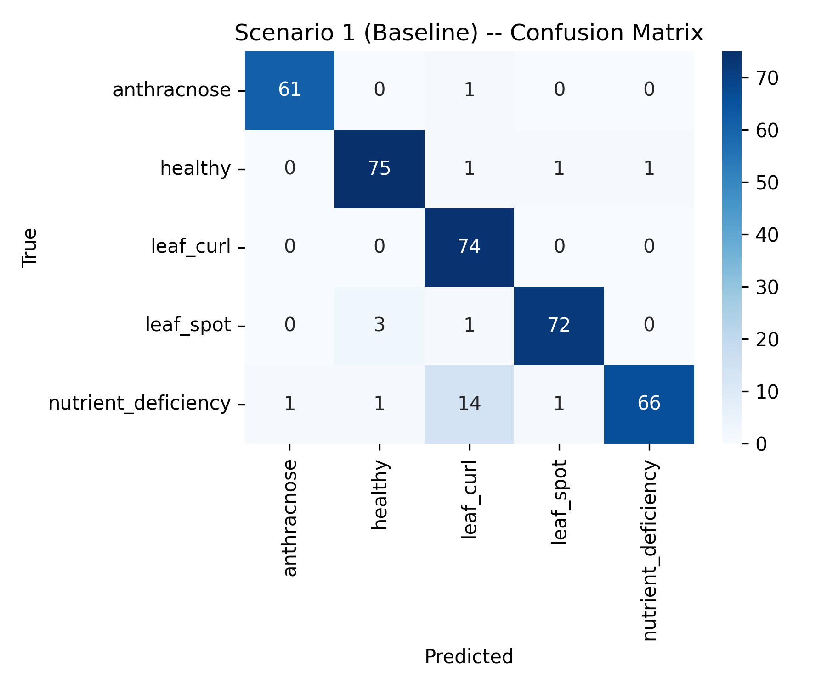 | 28,069

Augmented
STT | Ten Model | Accuracy | F1-score | Recall | Learning Curve | Confusion Matrix | Parameters
1 | ULEN (Augmented) | 0.9088 | 0.912 | 0.9134 |  | 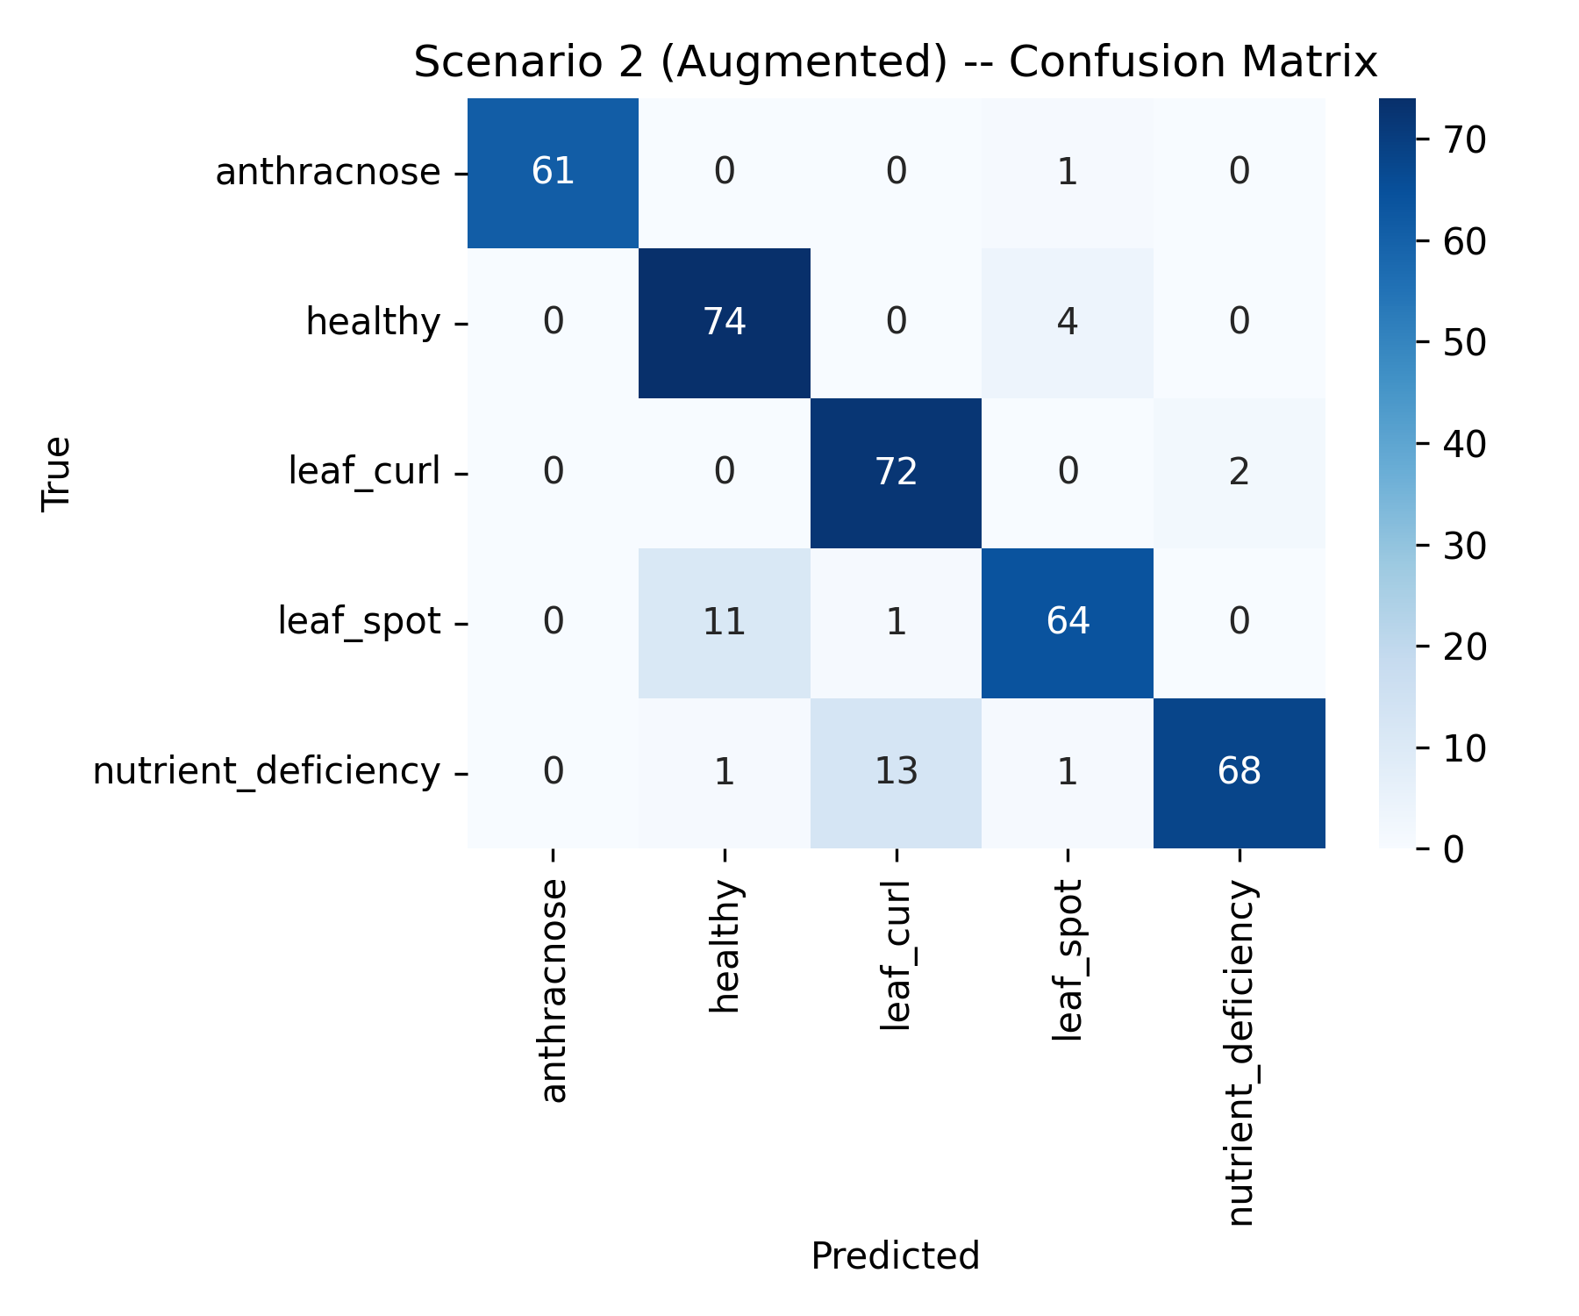 | 28,069

